Navigation
SmartPLS report
Please cite the use of SmartPLS: Ringle, C. M., Wende, S., and Becker, J.-M. 2024. "SmartPLS 4." Bönningstedt: SmartPLS, https://www.smartpls.com.

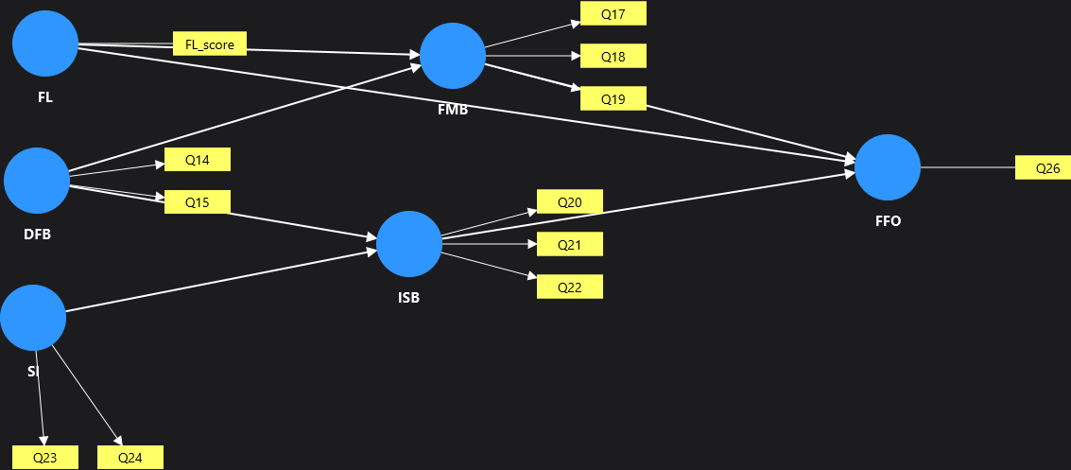
Model | Report (Revised_Core_Model)
Project | Revised syudents financial literacy project
Data file | SmartPLS_final_numeric
Calculated | Oct 19, 2026, 10:32:06 AM
SmartPLS version | 4.1.1.9

 | Complete data set

Final results
PLSpredict MV summary
PLSpredict LV summary
CVPAT LV summary
CVPAT MV summary
MV predictions and errors
LV predictions and errors

Algorithm
Setting
Execution log

Histograms
PLS-SEM MV error histogram
PLS-SEM LV error histogram

Model and data
Inner model
Outer model
Indicator data (original)
Indicator data (standardized)

Complete data set Charts
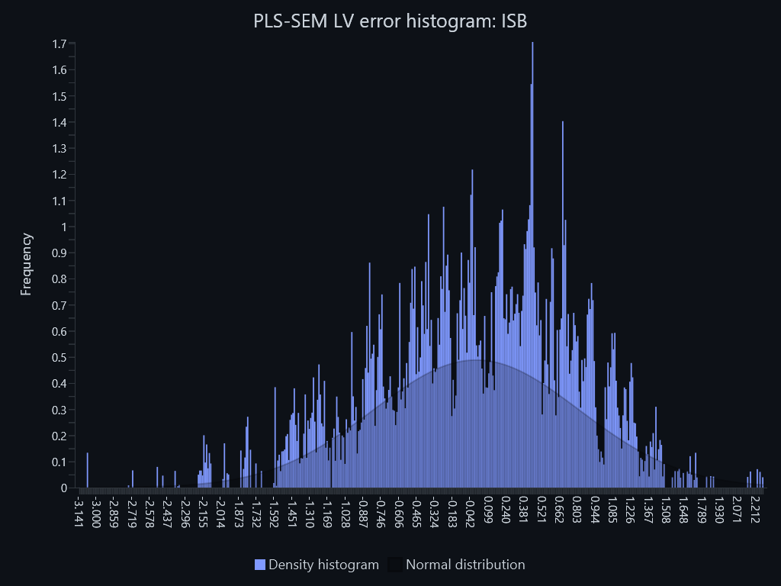
SmartPLS report
Please cite the use of SmartPLS: Ringle, C. M., Wende, S., and Becker, J.-M. 2024. "SmartPLS 4." Bönningstedt: SmartPLS, https://www.smartpls.com.

PLS-SEM MV error histogram – PLS-SEM MV error histogram: Q17
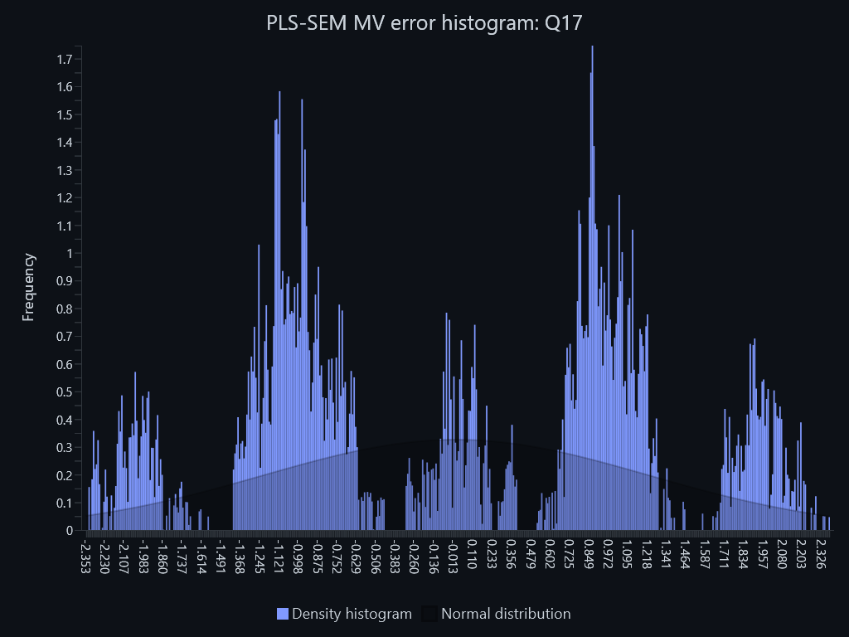

PLS-SEM MV error histogram – PLS-SEM MV error histogram: Q18
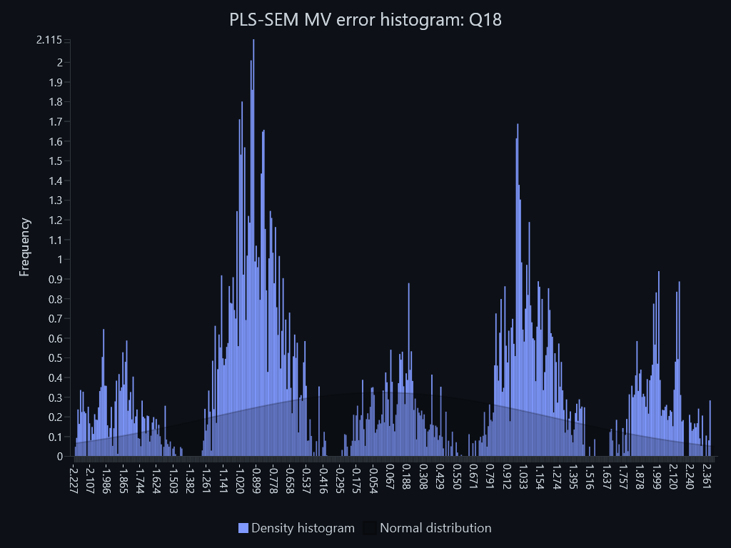

PLS-SEM MV error histogram – PLS-SEM MV error histogram: Q19
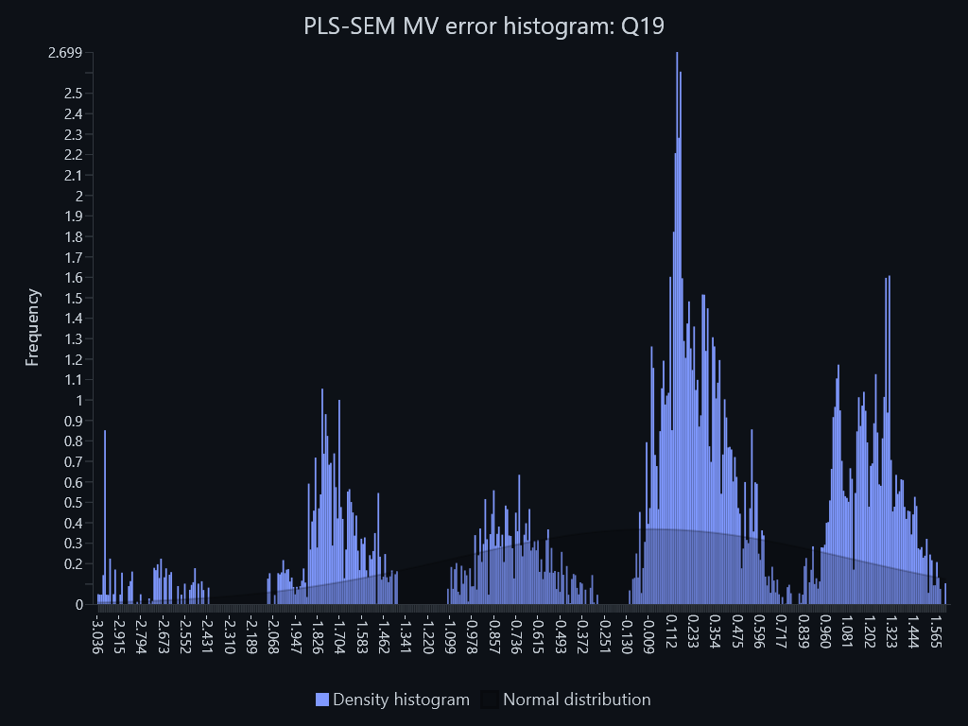

PLS-SEM MV error histogram – PLS-SEM MV error histogram: Q20
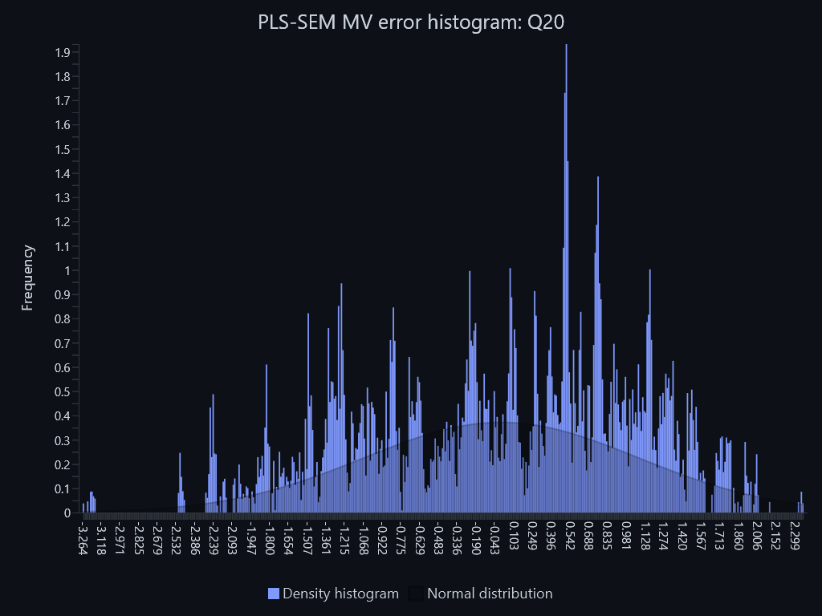

PLS-SEM MV error histogram – PLS-SEM MV error histogram: Q21
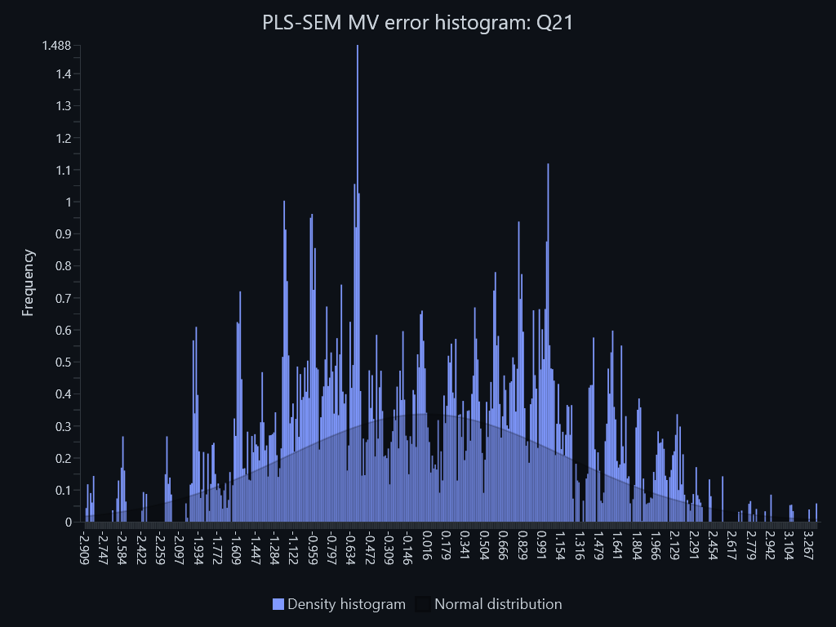

PLS-SEM MV error histogram – PLS-SEM MV error histogram: Q22
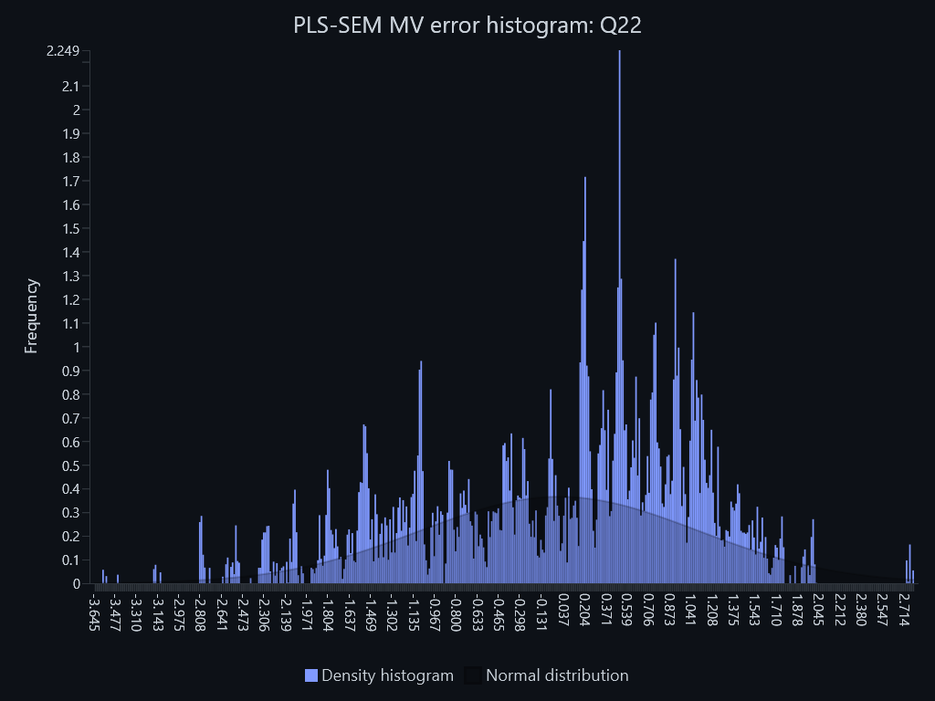

PLS-SEM MV error histogram – PLS-SEM MV error histogram: Q26
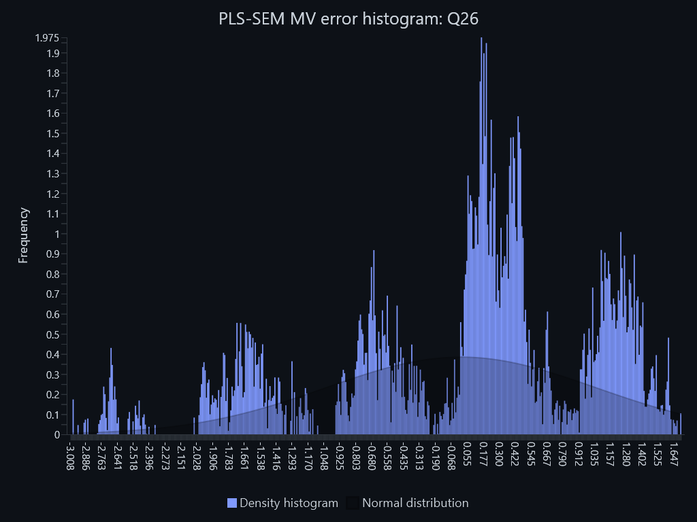

PLS-SEM LV error histogram – PLS-SEM LV error histogram: FFO
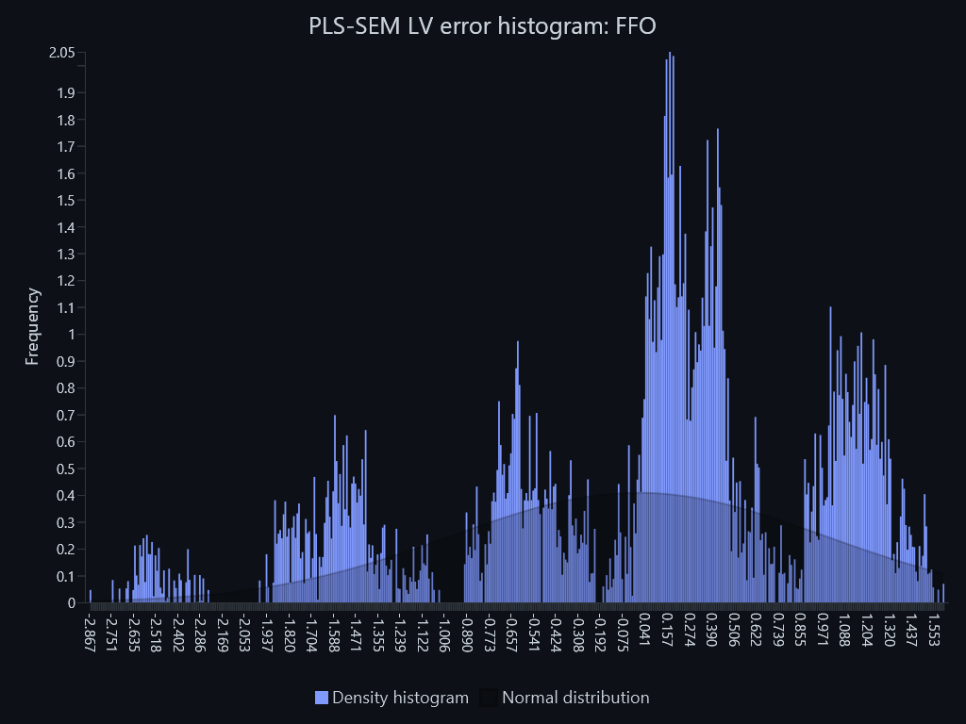

PLS-SEM LV error histogram – PLS-SEM LV error histogram: FMB
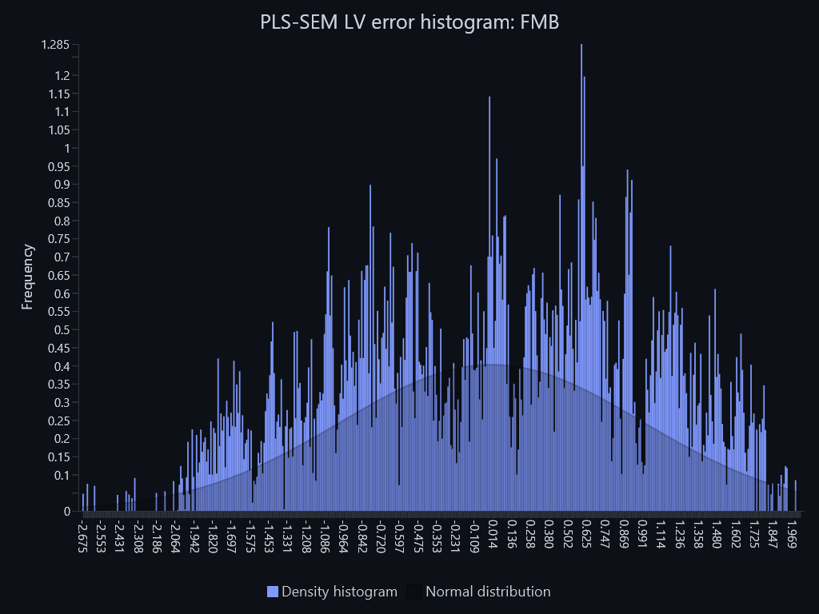

PLS-SEM LV error histogram – PLS-SEM LV error histogram: ISB

